Sheet1
 | Document No. |  | Issue No. |  | Issue Date |  |  | Review and Replace Date |  | Authorised By
 | GFF560MC |  | 2 |  | 17.04.2026 |  |  | 21.05.2026 |  | Magda Shah
 | Document Title |  | 36 Indian Selection 1020g
Document amendments reason for change | Film change |  |  |  | Page 1 of 1 |  | Previous Issue Date |  | N/A | Uncontrolled copy unless signed original

CINSC4-B36X2T |  | Gazebo- Morrison |  |  |  | 36 Indian Selection 1020G
STEP 1 |  |  |  |  |  |  |  | STEP 2
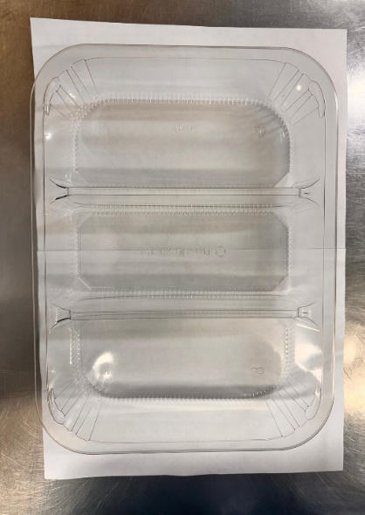 |  |  |  |  |  |  |  | 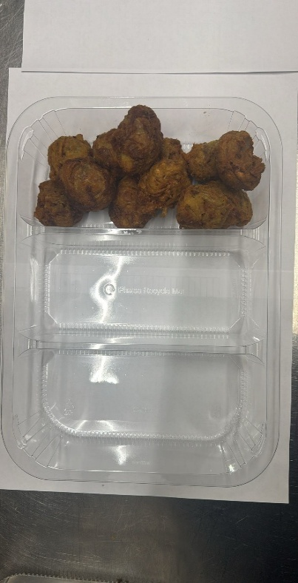
Onion Bhaji 30g-INDIAN

PACK DAY + 1 YEAR
GAS FLUSH
FROZEN

Tray: HW308/60 - 3 CAVITY TRANS - 352X246X60 - (PKESS001-10) |  |  |  |  |  |  |  | 12 x Onion Bhaji Cocktail 30G-(RMSRI001-02)
Film: 25mu Weld Seal Mono PET Film(300mm x 1000lm)-(PKCLI001-01)-Clifton Packaging/ (C) 25mu Weld Seal Mono PET Film(310mm x 1000lm)-(PKCLI001-01)-Clifton Packaging
STEP 3 |  |  |  | STEP 4
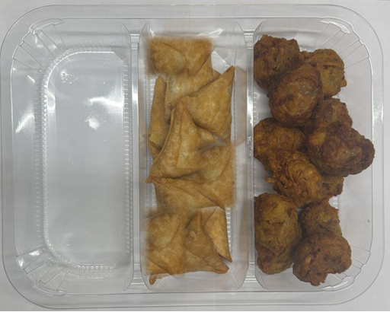 |  |  |  | 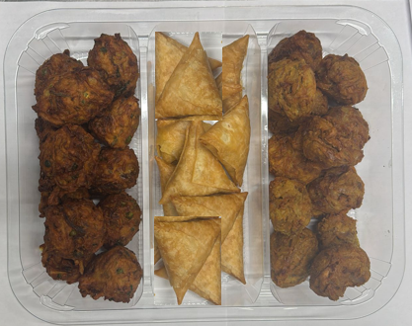 |  |  |  |  |  | Total Weight 1020g
12 x Vegetable Samosas 25g (GFF003R) |  |  |  | 12 x Vegetable Pakora Cocktail : 30g (GFF122R)
ALLERGY ALERT: Wheat (Gluten)

